Tab 1
EAN | Package |  | Colour | Size | Style |  | RRP | WHS | Colour | 5 | 5.5 | 6 | 6.5 | 7 | 7.5 | 8 | 8.5 | 9 | 9.5 | 10 | 10.5 | 11 | 11.5 | 12 | 12.5 | 13 | 14 | 15 | Total
10550329227450 | 6 | 72 | #400 | 5 | TIGER RUNNER | MEN | € 90.00 | € 50.00 | 400 | 72 | 72 | 96 | 72 | 96 | 108 | 180 | 204 | 84 | 12 | 264 | 192 | 192 | 132 | 72 | 72 | 72 | 72 |  | 2064
10550329000602 | 4 | 48 | #100 | 5 | TIGER RUNNER | MEN | € 95.00 | € 52.50
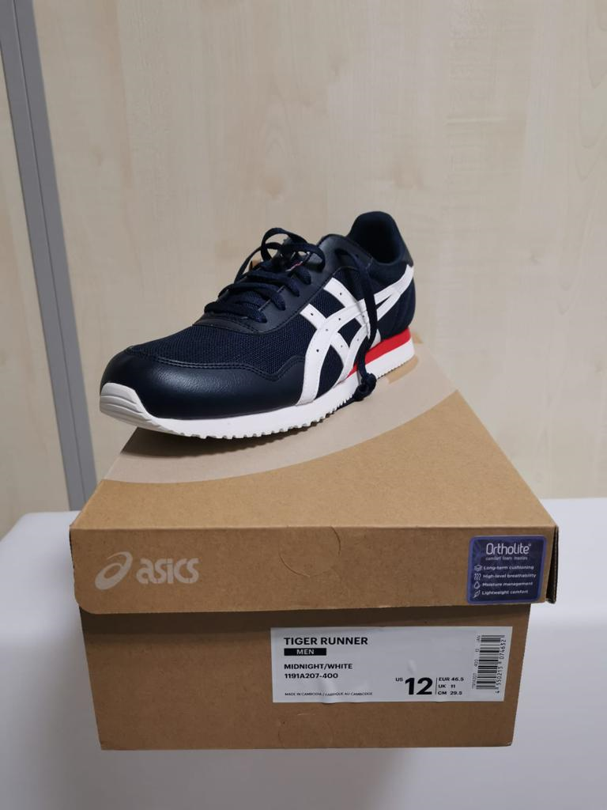
10550329227481 | 6 | 72 | #400 | 5.5 | TIGER RUNNER | MEN | € 90.00 | € 50.00
10550329000619 | 3 | 36 | #100 | 5.5 | TIGER RUNNER | MEN | € 85.00 | € 47.50
10550329000626 | 6 | 72 | #100 | 6 | TIGER RUNNER | MEN | € 90.00 | € 50.00
10550329227474 | 8 | 96 | #400 | 6 | TIGER RUNNER | MEN | € 85.00 | € 47.50
10550329227498 | 6 | 72 | #400 | 6.5 | TIGER RUNNER | MEN | € 90.00 | € 50.00
10550329000633 | 5 | 60 | #100 | 6.5 | TIGER RUNNER | MEN | € 85.00 | € 47.50
10550215074236 | 15 | 180 | #100 | 7 | TIGER RUNNER | MEN | € 90.00 | € 50.00
10550215074533 | 8 | 96 | #400 | 7 | TIGER RUNNER | MEN | € 85.00 | € 47.50
10550215074540 | 9 | 108 | #400 | 7.5 | TIGER RUNNER | MEN | € 95.00 | € 52.50
10550215074243 | 17 | 204 | #100 | 7.5 | TIGER RUNNER | MEN | € 90.00 | € 50.00
10550215074557 | 15 | 180 | #400 | 8 | TIGER RUNNER | MEN | € 85.00 | € 47.50
10550215074250 | 21 | 252 | #100 | 8 | TIGER RUNNER | MEN | € 90.00 | € 50.00
10550215074267 | 31 | 372 | #100 | 8.5 | TIGER RUNNER | MEN | € 90.00 | € 50.00
10550215074564 | 17 | 204 | #400 | 8.5 | TIGER RUNNER | MEN | € 90.00 | € 50.00
10550215074274 | 29 | 348 | #100 | 9 | TIGER RUNNER | MEN | € 95.00 | € 52.50
10550215074571 | 7 | 84 | #400 | 9 | TIGER RUNNER | MEN | € 85.00 | € 47.50
10550215074281 | 23 | 276 | #100 | 9.5 | TIGER RUNNER | MEN | € 90.00 | € 50.00
10550215074588 | 1 | 12 | #400 | 9.5 | TIGER RUNNER | MEN | € 85.00 | € 47.50
10550215074595 | 22 | 264 | #400 | 10 | TIGER RUNNER | MEN | € 90.00 | € 50.00
10550215074298 | 19 | 228 | #100 | 10 | TIGER RUNNER | MEN | € 85.00 | € 47.50
10550215074601 | 16 | 192 | #400 | 10.5 | TIGER RUNNER | MEN | € 95.00 | € 52.50
10550215074304 | 14 | 168 | #100 | 10.5 | TIGER RUNNER | MEN | € 85.00 | € 47.50 | 100 | 48 | 36 | 72 | 60 | 180 | 204 | 252 | 372 | 348 | 276 | 228 | 168 | 240 | 168 | 72 | 96 | 108 | 60 |  | 2988
10550215074311 | 20 | 240 | #100 | 11 | TIGER RUNNER | MEN | € 85.00 | € 47.50
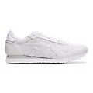
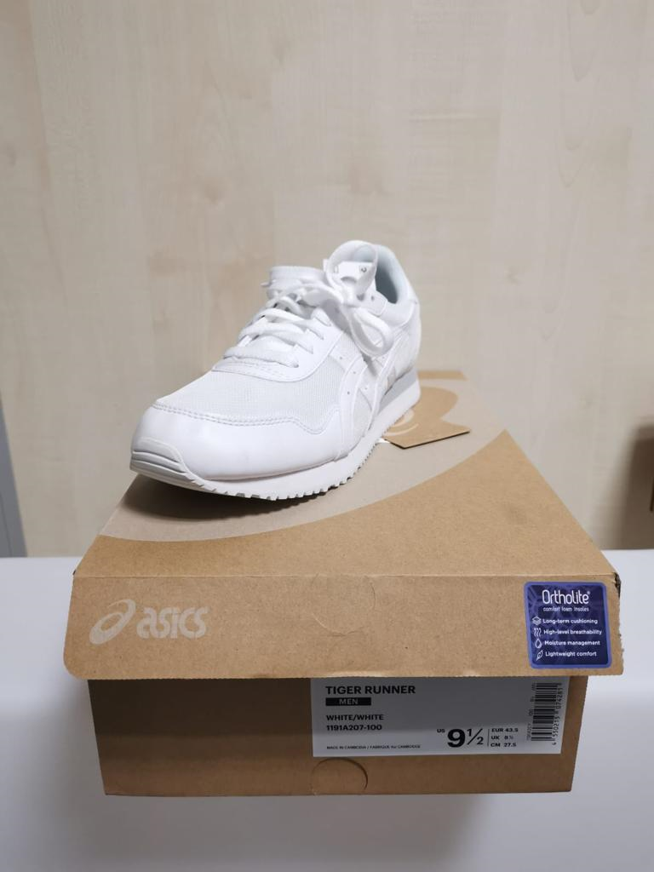
10550215074618 | 16 | 192 | #400 | 11 | TIGER RUNNER | MEN | € 95.00 | € 52.50
10550215074625 | 11 | 132 | #400 | 11.5 | TIGER RUNNER | MEN | € 85.00 | € 47.50
10550215074328 | 14 | 168 | #100 | 11.5 | TIGER RUNNER | MEN | € 85.00 | € 47.50
10550215074335 | 6 | 72 | #100 | 12 | TIGER RUNNER | MEN | € 90.00 | € 50.00
10550215074632 | 6 | 72 | #400 | 12 | TIGER RUNNER | MEN | € 90.00 | € 50.00
10550215074649 | 6 | 72 | #400 | 12.5 | TIGER RUNNER | MEN | € 90.00 | € 50.00
10550215074342 | 8 | 96 | #100 | 12.5 | TIGER RUNNER | MEN | € 85.00 | € 47.50
10550215074359 | 8 | 96 | #100 | 13 | TIGER RUNNER | MEN | € 85.00 | € 47.50
10550215074656 | 6 | 72 | #400 | 13 | TIGER RUNNER | MEN | € 90.00 | € 50.00
10550215077359 | 1 | 12 | #100 | 13 | TIGER RUNNER | MEN | € 85.00 | € 47.50
10550215074663 | 6 | 72 | #400 | 14 | TIGER RUNNER | MEN | € 90.00 | € 50.00
10550215074366 | 5 | 60 | #100 | 14 | TIGER RUNNER | MEN | € 85.00 | € 47.50
 |  | 5052

EAN | Package |  | Colour | Size | Style |  | RRP | WHS | Colour | 5 | 5.5 | 6 | 6.5 | 7 | 7.5 | 8 | 8.5 | 9 | 9.5 | 10 | 10.5 | 11 | 11.5 | 12 | 12.5 | 13 | 14 | 15
10550329158754 | 3 | 36 | #005 | 6 | GEL BRAID | MEN | € 95.00 | € 52.50 | 5 |  |  | 36 | 12 | 72 | 60 | 156 | 192 | 288 | 456 | 348 | 384 | 324 | 264 | 168 | 132 | 96 | 60 | 84 | 3132
10550329158662 | 1 | 12 | #005 | 6.5 | GEL BRAID | MEN | € 85.00 | € 47.50
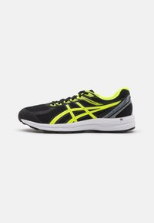
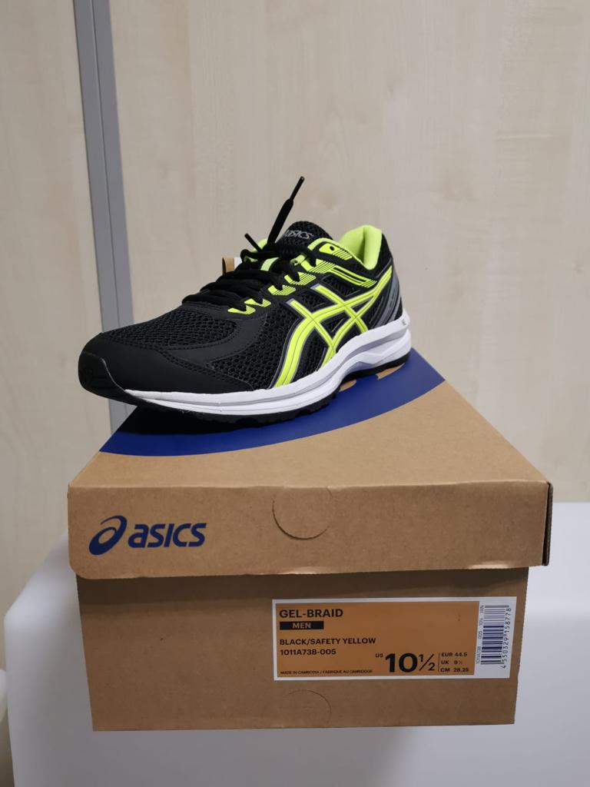
10550329158686 | 6 | 72 | #005 | 7 | GEL BRAID | MEN | € 90.00 | € 50.00
10550329158679 | 5 | 60 | #005 | 7.5 | GEL BRAID | MEN | € 85.00 | € 47.50
10550329158648 | 13 | 156 | #005 | 8 | GEL BRAID | MEN | € 85.00 | € 47.50
10550329158655 | 16 | 192 | #005 | 8.5 | GEL BRAID | MEN | € 95.00 | € 52.50
10550329158631 | 24 | 288 | #005 | 9 | GEL BRAID | MEN | € 90.00 | € 50.00
10550329158747 | 38 | 456 | #005 | 9.5 | GEL BRAID | MEN | € 90.00 | € 50.00
10550329158945 | 12 | 144 | #004 | 9.5 | GEL BRAID | MEN | € 85.00 | € 47.50
10550329158716 | 29 | 348 | #005 | 10 | GEL BRAID | MEN | € 95.00 | € 52.50
10550329158983 | 7 | 84 | #004 | 10 | GEL BRAID | MEN | € 85.00 | € 47.50
10550329158778 | 32 | 384 | #005 | 10.5 | GEL BRAID | MEN | € 90.00 | € 50.00 | 4 |  |  |  |  |  |  |  |  |  | 144 | 84 | 36 | 48 |  |  |  |  |  |  | 312
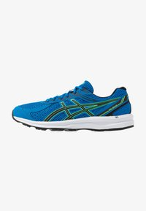
10550329158907 | 3 | 36 | #004 | 10.5 | GEL BRAID | MEN | € 85.00 | € 47.50
10550329158792 | 27 | 324 | #005 | 11 | GEL BRAID | MEN | € 90.00 | € 50.00
10550329158952 | 4 | 48 | #004 | 11 | GEL BRAID | MEN | € 95.00 | € 52.50
10550329158693 | 22 | 264 | #005 | 11.5 | GEL BRAID | MEN | € 90.00 | € 50.00
10550329158785 | 14 | 168 | #005 | 12 | GEL BRAID | MEN | € 85.00 | € 47.50
10550329158709 | 11 | 132 | #005 | 12.5 | GEL BRAID | MEN | € 85.00 | € 47.50
10550329158723 | 8 | 96 | #005 | 13 | GEL BRAID | MEN | € 85.00 | € 47.50
10550329158730 | 5 | 60 | #005 | 14 | GEL BRAID | MEN | € 85.00 | € 47.50
10550329158761 | 7 | 84 | #005 | 15 | GEL BRAID | MEN | € 85.00 | € 47.50

 |  | 3444

